Sheet 1
Newt Books Berkshire Book Award Shortlist Order Form 2026 A special discount applies to these titles only when this spreadsheet is used to order or if you quote BBA Newt26 with your email order, this is so we can identify the offer titles and apply the correct pricing to your invoice. Additional titles can be added to this order form (or sent with it) to build the value to more than £100 to qualify for free delivery. Please note additional fiction will normally be invoiced at 30% off, but a quote can be provided to confirm.
 |  |  | 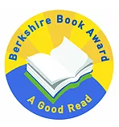 | 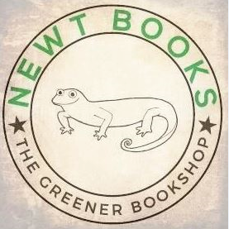
ISBN | Title | Format | RRP | Newt Price 32% off | QTY | Totals
9780241636183 | A Box Full of Murders | Paperback / softback | £8.99 | £6.11 | 0 | £0.00
9780241647226 | Lottie Brooks vs The Ultra Mean Girls | Hardback | £14.99 | £10.19 | 0 | £0.00
9781805075707 | Mondays Are Murder | Paperback / softback | £8.99 | £6.11 | 0 | £0.00
9781398524743 | Skandar and the Spirit War: Volume 5 | Hardback | £14.99 | £10.19 | 0 | £0.00
9781398524774 | Skandar and the Spirit War: Volume 5 | Paperback / softback | £7.99 | £5.43 | 0 | £0.00
9781915659606 | The First Year | Paperback / softback | £9.99 | £6.79 | 0 | £0.00
9780241638705 | The Grandest Game | Paperback / softback | £8.99 | £6.11 | 0 | £0.00
9781408897447 | The Poisoned King | Hardback | £14.99 | £10.19 | 0 | £0.00
9781836040774 | Under a Fire-Red Sky | Paperback / softback | £8.99 | £6.11 | 0 | £0.00

 | Postage (please remove if order value £100 or more) |  |  |  |  | £3.95

 |  |  |  |  | 0 | £3.95
 | Newt Books is a small independent bookseller offering a personal service to education customers.
 | I can provide a quote including availability and alternate edition suggestions if required on any UK book you are considering
 | I look forward to hearing from you!

 | John Newton, Owner Newt Books

 | Newt Books
 | info@newtbooks.co.uk
 | Tel: 07396 084142
 | www.newtbooks.co.uk

